BOQ - amended
ZOA-Sudan

BOQ for the supply and installation of Solar System Unit for Six Sites

Item | Reference photo | Technical specification |  | Qty | Unit Price | Total
 |  |  |  |  | SDG
Solar Panels |  | Power output (W) | 550 W | 192 |  | -
 |  | Cell Type: mono-crystalline
 |  | Operating PV temperature ranges between -10 °C & + 85 °C.
 |  | Module Efficiency shall be at least 19%.
 |  | The PV modules frame should be made from Anodized Aluminium.
 |  | The Photovoltaic modules should be manufactured not before 2023
 |  | The warranty for module defects after installation should be at least 20 years. The awarded Proposer shall provide a manufacture power guarantee for all PV modules that will be installed with their serial numbers that guarantees that the loss of the output is not more than 10% during the first 10 years and up to 20% in total after 25 years. The warranty must state that the malfunctioning solar photovoltaic module must be exchanged by the manufacturer. The replacement solar module must be identical to, or an improvement upon, the original design of the malfunctioning solar module.
Solar Inverter | 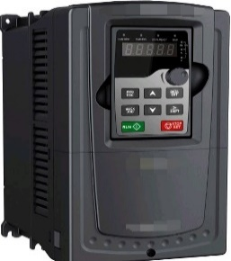 | Rated Output Power 15kw (operate single unit or an parallel system) Absolute DC input voltage between (250~900 v) Output Wave Pure Sine Wave Rated Output Voltage 380V/3ph AC Output Frequency 50-60 Hz Working Efficiency >98% Harmonic distortion is less than 3%. Warranty after installation should be for 5 years at least for the inverters. The warranty must state that the malfunctioning inverter must be exchanged by the manufacturer. The Replacement inverter must be identical to, or an improvement upon, the original design of the malfunctioning inverter. |  | 6 |  | -

Solar Panel Mount | 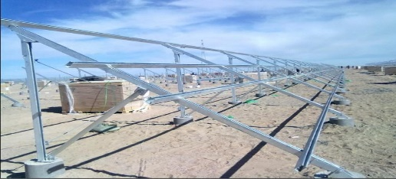 | Manufacture and assembly of steel solar panel holder for 36 panel , It must be painted against rust and then painted blue , |  | 192 |  | -
Accessories |  | Imported Panel (Box) 60*40*25 |  | 6 |  | -
 |  | MCB 4p Dc 63A |  | 6 |  | -
 |  | FUSE With holder 63A |  | 24 |  | -
 |  | 6 mm* 2 flexiable cable (from PV to inveter), per (m) |  | 720 |  | -
 |  | MC4 |  | 24 |  | -
 |  | Dc cable 6mm^2 |  | 720 |  | -
 |  | MCB 3P AC 40A |  | 24 |  | -
 |  | TRANK 25*40 |  | 96 |  | -
 |  | Over Change Switch |  | 4 |  | -
Transportation |  |  |  | 24 |  | -
 |  |  |  |  |  | -
Total Vat |  |  |  |  |  | -
Total Amount |  |  |  |  |  | -

